Sheet1
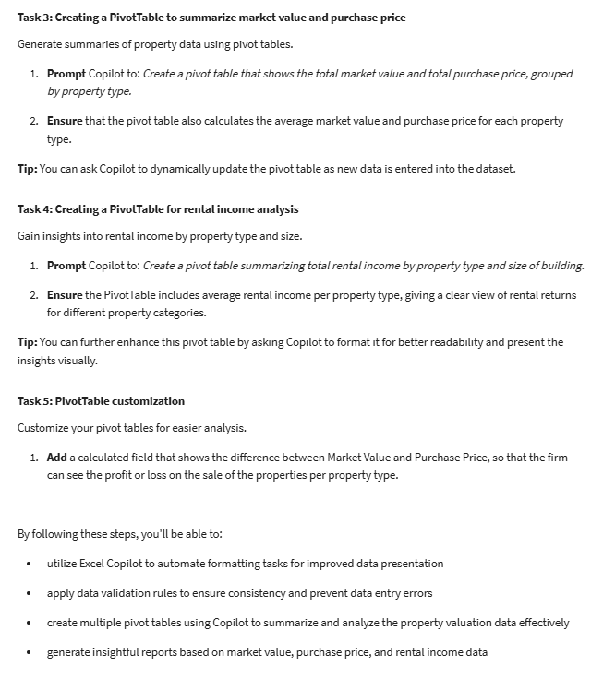
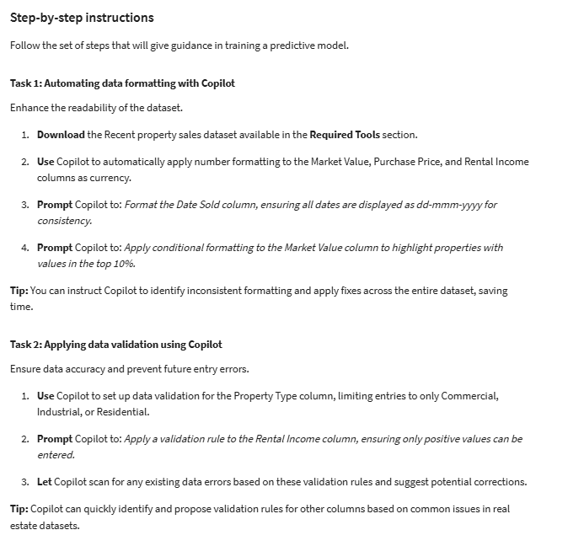
REF | Property Address | Market Value | Purchase Price | Rental Income | Property Type | Size of Erf (m²) | Size of Building (m²) | Date sold
PR0001 | 123 Maple St | 1365967 | 1147412.28 | 5001 | Commercial | 1660 | 521 | 23-Jan-23
PR0002 | 456 Oak Ave | 1200220 | 960176 | 5154 | Industrial | 1670 | 798 | 14-Jun-23
PR0003 | 789 Pine Ln | 614513 | 503900.66 | 7145 | Industrial | 773 | 478 | 22-Feb-23
PR0004 | 101 Elm St | 409509 | 364463.01 | 6039 | Commercial | 906 | 827 | 19-Jul-23
PR0005 | 102 Cedar Ave | 351131 | 333574.45 | 2280 | Commercial | 1057 | 533 | 15-Nov-23
PR0006 | 103 Spruce Ln | 395609 | 320443.29 | 3123 | Residential | 1213 | 300 | 15-Feb-23
PR0007 | 104 Birch St | 1149373 | 1034435.7 | 2849 | Commercial | 1438 | 287 | 10-May-23
PR0008 | 105 Walnut Ave | 1106094 | 995484.6 | 9639 | Industrial | 480 | 285 | 25-Oct-23
PR0009 | 106 Cherry Ln | 1436221 | 1220787.85 | 8815 | Industrial | 1200 | 695 | 23-Aug-23
PR0010 | 107 Hickory St | 949180 | 901721 | 7639 | Industrial | 932 | 332 | 5-Jul-23
PR0011 | 108 Willow Ave | 528890 | 491867.7 | 6288 | Residential | 1823 | 964 | 1-Mar-23
PR0012 | 109 Aspen Ln | 1097000 | 1020210 | 4491 | Commercial | 1095 | 962 | 13-Dec-23
PR0013 | 110 Alder St | 1371310 | 1110761.1 | 5635 | Industrial | 1765 | 448 | 16-Jan-23
PR0014 | 111 Sycamore Ave | 749191 | 636812.35 | 1437 | Industrial | 1870 | 916 | 8-Feb-23
PR0015 | 112 Poplar Ln | 1241716 | 1216881.68 | 8818 | Commercial | 1894 | 965 | 13-Sep-23
PR0016 | 113 Beech St | 424920 | 416421.6 | 9984 | Residential | 1209 | 835 | 20-Dec-23
PR0017 | 114 Magnolia Ave | 799535 | 735572.2 | 9564 | Commercial | 1152 | 243 | 4-Oct-23
PR0018 | 115 Dogwood Ln | 646924 | 582231.6 | 5497 | Industrial | 449 | 181 | 26-Apr-23
PR0019 | 116 Redwood St | 744121 | 744121 | 2522 | Residential | 1843 | 675 | 26-Jul-23
PR0020 | 117 Juniper Ave | 323240 | 265056.8 | 9058 | Industrial | 1090 | 405 | 24-May-23
PR0021 | 118 Sequoia Ln | 1112544 | 1012415.04 | 1662 | Commercial | 687 | 961 | 21-Jun-23
PR0022 | 119 Cypress St | 663366 | 643465.02 | 7181 | Industrial | 1786 | 284 | 11-Oct-23
PR0023 | 120 Fir Ave | 672389 | 537911.2 | 3622 | Industrial | 884 | 296 | 3-May-23
PR0024 | 121 Hemlock Ln | 322827 | 290544.3 | 1516 | Industrial | 1192 | 386 | 19-Apr-23
PR0025 | 122 Pine St | 736269 | 611103.27 | 4321 | Residential | 914 | 700 | 22-Nov-23
PR0026 | 123 Oak Ave | 918870 | 799416.9 | 9595 | Industrial | 840 | 881 | 12-Apr-23
PR0027 | 124 Maple Ln | 870081 | 783072.9 | 9941 | Industrial | 1483 | 403 | 6-Sep-23
PR0028 | 125 Cedar St | 1240395 | 1103951.55 | 8535 | Commercial | 1661 | 512 | 20-Sep-23
PR0029 | 126 Spruce Ave | 337955 | 280502.65 | 2594 | Industrial | 1113 | 264 | 18-Oct-23

